Instruction
Customer problem * | Reference number: | Name:
 |  | Date:
* fill out to set the headers for the forms

Instruction:

Why we ask for an 8D report?

By systematically working on a problem, the sources of error are found, their causes eliminated and
sustainably eliminated for the future.
The principles for problem solving describe the requirements with regard to the approach to and procedure for
procedure for problem solving (mindset) and with regard to the result of a problem solution (see figure below).

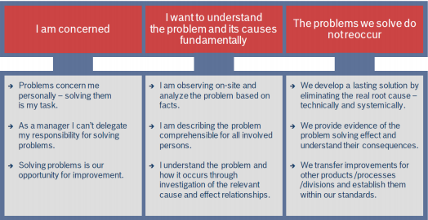

Following links provide helpful instructions how to create an 8D report:
Overview Problem Solving with 8D - EN
Overview Problem Solving with 8D - DE

The templates in the sheets of this attachment are intended to be a help to analyze and define the fundamental problem.
The following rules apply to the creation of 8D reports:
- We only want to see facts. (No assumptions or conjectures)
- The four root causes must be used.
(Technical Root Cause (TRC) and Managerial Root Cause (MRC) for occurence and non detection have to be shown)
- Add images about the error (good part/bad part/machine) - total size max 10MB

Please find below an explanation of the templates given in this attachment:

Sheet: D2-IS, IS NOT
The key questions “what, where, when, who and how many” have proven to be helpful collecting the facts
in a structured way.

Please use the helpful links to work with this tool:
IS/ISNOT explanation EN
IS/ISNOT Bearbeitungshilfe DE

Sheet: D4-5WHY
The core question of the problem solving "why did the problem occur?" is the starting point for the "5 why" (5W) method.
The next question is "why was the problem not detected?"
The rule is to ask five or more times "WHY"

Please use the helpful links to work with this tool:
5WHY explanation EN
5WHY Bearbeitungshilfe DE

Sheet: D4-ISHIKAWA
Generally speaking, cause-effect diagrams (also known as fishbone or Ishikawa diagrams) are used for clear
structuring of the possible causes allocated to an effect.

Please use the helpful links to work with this tool:
ISHIKAWA explanation EN
ISHIKAWA Bearbeitungshilfe DE

Sheet: D5-PS Flyer
A brief overview about the differences in the variety of corrective actions in the process solving process.
It includes an explanation of "Hard" Measures vs. "Soft" Measures with related benefits/disadvantages plus examples.

Sheets: 8D Evaluation Sheet (Supplier / BSH)
8D Evaluation Sheet_Supplier needs to be used before sending the 8D back to BSH.
A critical evaluation of the 8D is essential for ensuring a effective problem solving process.
Supporting Questions (only available in English) shall help assessing which is the most suitable level of each 8D Step.
The language of 8D Evalutation Sheet can be changed by selecting the wished language out of the dropdown list.

Please use the link for further support to the 8D evaluation procedure:
Key Questions EN

 |  | GQM-SU / 18.06.2025 / V 2.0

D4-ISHIKAWA
Ishikawa

Customer problem |  | Reference number: | Name: | Date:
0 |  | 0 | 0 | 0

 |  | Man |  |  | Machine | Measure

Fundamental Problem

Root Cause?

 |  | Environment |  |  | Material | Method

Ishikawa: Evaluation
 | Cause excluded
 | Possible cause
 | Most probable cause

D5-PS Flyer
