Example_Change Request Supplier
Change Request Supplier |  |  |  |  |  |  |  |  |  |  |  |  |  | x
For all changes requested by supplier, the required information must be specified in the CRS and sent to BSH
 | Supplier Address
Supplier 1 |  |  |  |  |  | Company Name |  |  | BSH Material No. |  | 8001XXXXXX

Supplier-Street-1 |  |  |  |  |  | Street Name

 |  |  |  |  |  | Post Office Box

10315 |  | Zip Code | Berlin |  |  | City |  |  | Part Designation |  | Part

Germany |  |  |  |  |  | Country |  |  | BSH Drawing No. |  | 601XXXXXXXXXXXX/A1

12345 |  | Supplier No. | Germany |  |  | Production Location |  |  | Drawing Status |  | released

Reason for Change:
x | Part Modification |  |  | Production Relocation |  |  |  | New Tool |  |  | Sub-Supplier |  | Changed Internal Production Conditions

 | Raw Material |  |  | Packaging |  |  | x | Short text stating reason for Change: |  | Poka Yoke to prevent wrong assembly

Description of current situation + requested change |  |  |  |  |  |  |  |  |  | Change proposal
Picture/drawing (CURRENT): |  |  |  |  |  |  |  |  |  | Picture/drawing (NEW):

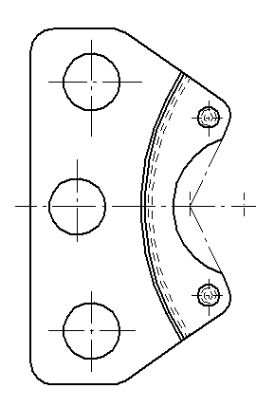 |  |  |  |  |  |  |  |  |  | 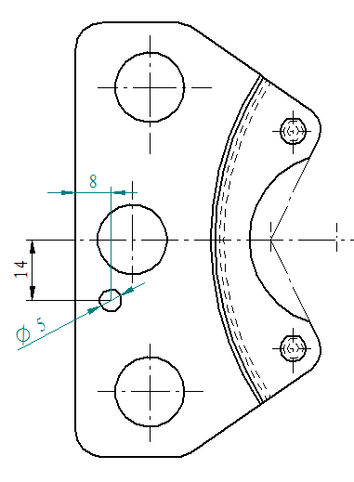 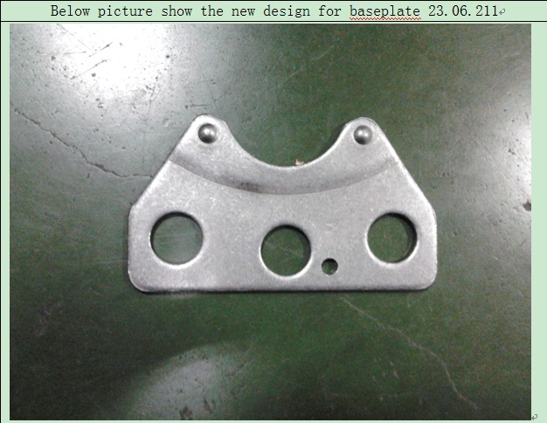 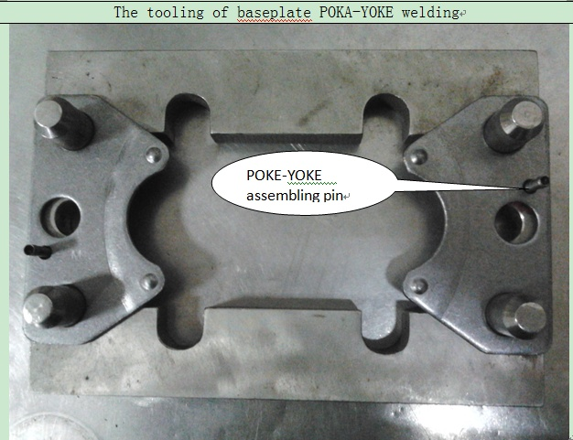

Description: |  |  |  |  |  |  |  |  |  | Description:

Right now, the baseplate of our N series does not have Poka-Yoke application, so when we weld the baseplate it may have the risk to be welded at the opposite which is a potential quality problem. |  |  |  |  |  |  |  |  |  | In order to create a perfect design of compressor and avoid these kind of potential problem, we plan to implement Poka-Yoke for the types of baseplate 23.06.211 of N series. The idea is to add one small hole in the baseplate which is also used by our competitor.

Advantages / Disadvantages / Additional Explanation Advantages/disadvantages/additional explanation |  |  |  |  |  |  |  |  |  | Schedule

After test for trial batches, we found this changes do not affect compressor’s noise and vibration |  |  |  |  |  |  |  |  |  | 3 months

Is the change permanent or is it limited on time/quantity? |  |  |  |  |  |  |  |  |  | Impact on price?

Permanent |  |  |  |  |  |  |  |  |  | Yes, due to process and material change the part price will decrease by 5%

Impact on quality? |  |  |  |  |  |  |  |  |  | Latest date for BSH decision

better reliability, noise reduction, better handling, others |  |  |  |  |  |  |  |  |  | 30.05.2023

QM-Supplier 1 |  |  |  |  | Mr. Mustermann |  |  |  | 6-May-2024 |  |  | 0049 30 1234567
 |  |  |  |  |  |  |  |  |  |  |  | m.mustermann@supplier1.com
Requester / Department |  |  |  |  | Name |  |  |  | Date |  |  | Phone & Fax / E-Mail

BSH Decision
 |  |  |  |  | RP-No.: |  |  |  |  |  |  | Report No.:
 | Released

 | Not Yet Released, accepted for further processing with BSH ECP process |  |  |  | Remarks

 | Not Released

BSH Development

BSH Purchasing

BSH Quality

Department |  |  |  |  | Name |  |  |  | Date |  |  | Phone & Fax / E-Mail

